CTI-CMM Introduction
Cyber Threat Intelligence Capability Maturity Model (CTI-CMM) | 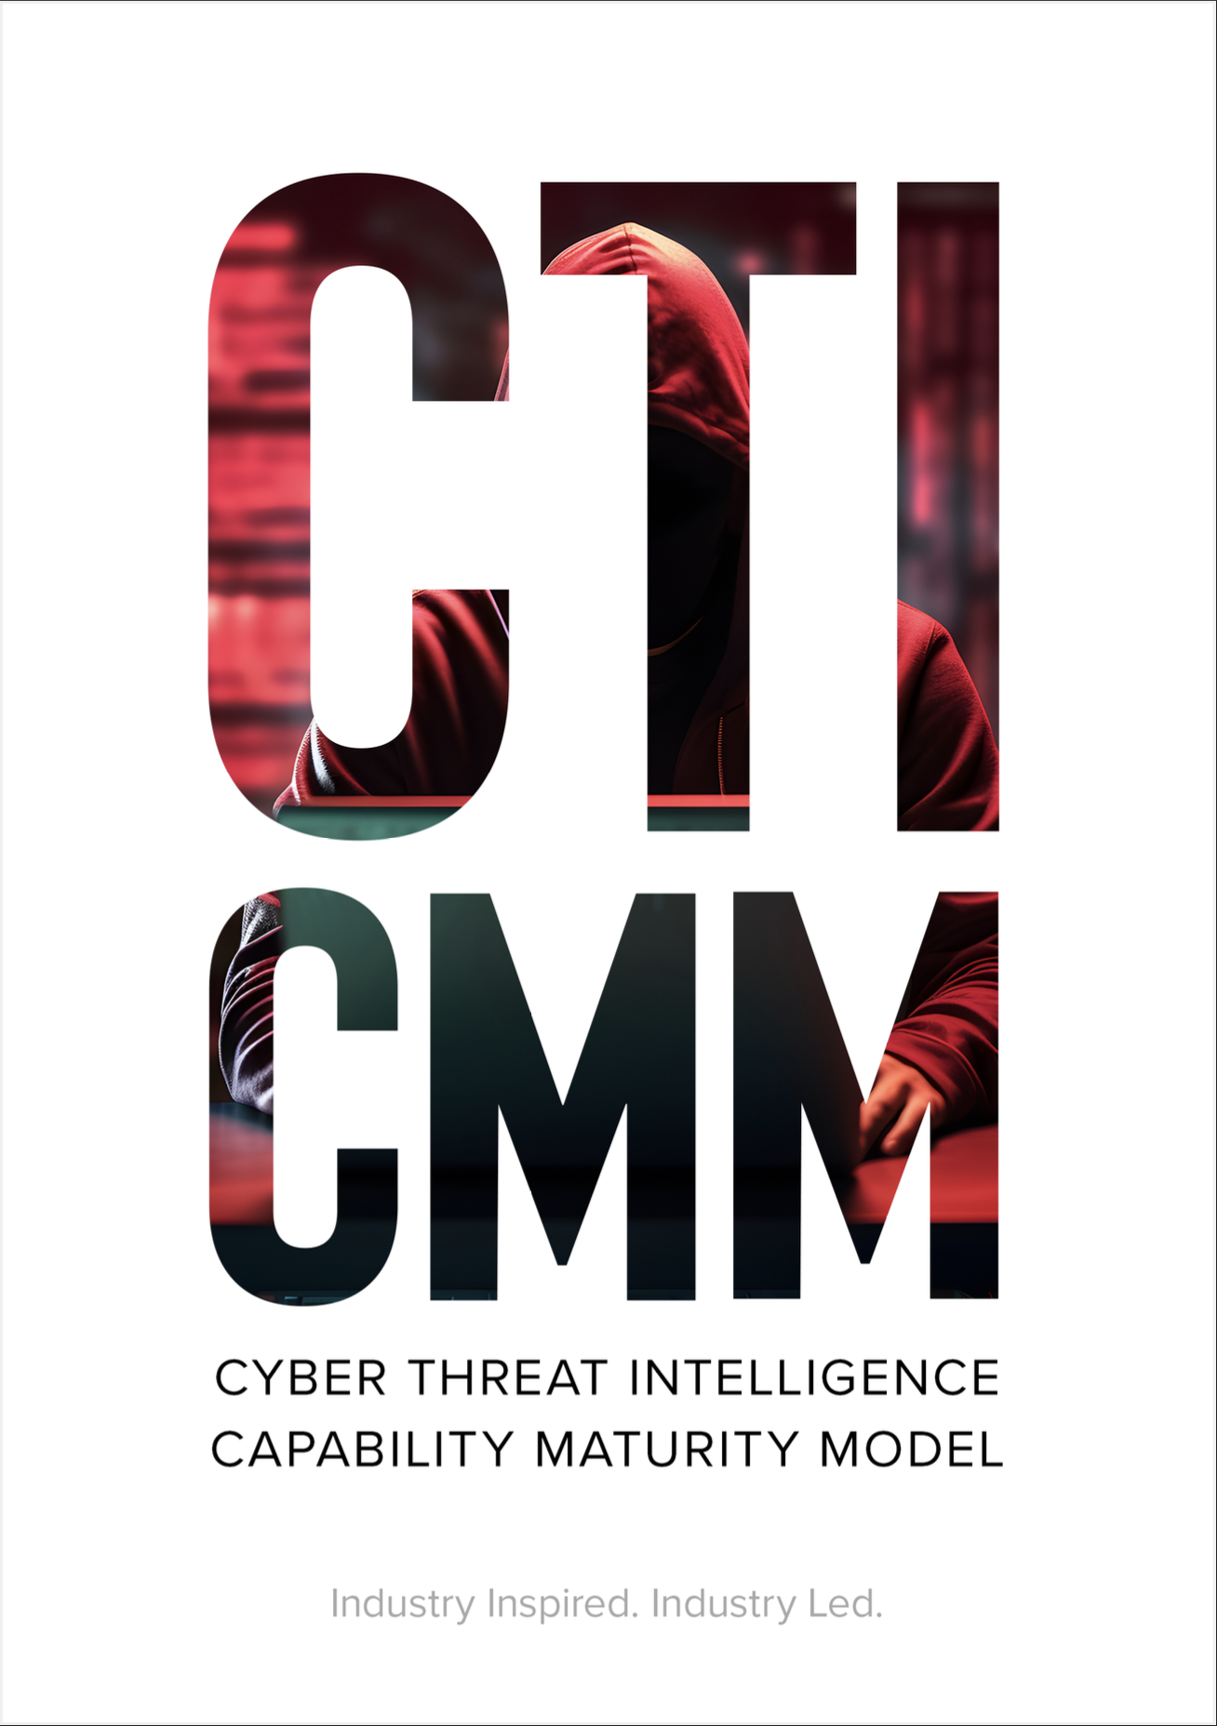
The Cyber Threat Intelligence Capability Maturity Model (CTI-CMM) is designed to help improve cyber threat intelligence teams support to cybersecurity and risk management functions, leading to improved security outomes. Its goal is to provide a roadmap on how intelligence programs can mature existing support and process constructs to ultimately strengthen the organization's operational resilience. The CTI-CMM is industry sector, organization type, and size agnostic and was inspired by the U.S. Department of Energy's C2M2 cybersecurity framework. The CTI-CMM offers a stakeholder-first approach to CTI maturity. The CTI-CMM focuses on the implementation and management of CTI best practices associated with information technology (IT), operational technology (OT), and information assets and the environments in which they operate. The model can be used to: • Enable organizations to effectively and consistently evaluate and benchmark cyber threat intelligence capabilities • Improve organizational reach and support to cybersecurity and risk management stakeholders • Establish a roadmap to grow CTI program capabilities and improve existing maturity • Prioritize investment and actions to improve cyber threat intelligence capabilities • Share knowledge and best practices on CTI program operations
The CTI-CMM Domains
The CTI-CMM v1.1 is organized into 11 domains, comprised of two or more objectives. The objectives are target focus areas each containing a maturity rating using a scale of.four progressive CTI maturity indicator levels, CTI0 (Pre-Foundational) through CTI3 (Leading). 1. Asset, Change, and Configuration Management (ASSET) 2. Threat and Vulnerability Management (THREAT) 3. Risk Management (RISK) 4. Identity and Access Management (ACCESS) 5. Situational Awareness (SITUATION) 6. Event and Incident Response, Continuity of Operations (RESPONSE) 7. Third-Party Risk Management (THIRD-PARTIES) 8. Fraud and Abuse Management (FRAUD) 9. Workforce Management (WORKFORCE) 10. Cybersecurity Architecture (ARCHITECTURE) 11. Cybersecurity Program Management (PROGRAM)
 | Version 1.1 / December 2024

Assessment Tool README
Introduction to the Assessment Tool
The CTI-CMM beta assessment tool is a stand-alone spreadsheet intended for users to download and use locally, so please download a copy of the read-only version on our website. Users self-evaluate their current maturity posture across each of the objective in a domain using the CTI0-CTI3 scale. In this tool, CTI0 represents no capability, CTI1 a partial implementation, CTI2 largely implemented, and CTI3 for fully implemented. The CTI-CMM self-assessment tool contains a master dashboard, which summarizes the results and dynamically populates as the user fills out scores across each domain. Each tab represents a domain in the CTI-CMM and lists the corresponding practice and maturity criteria for each of the levels. We recommend CTI programs perform an assessment using this tool at least bi-annually, often after end of year strategic planning and at the mid-point in the year to benchmark progress.
Maturity Levels | Domain Assessment
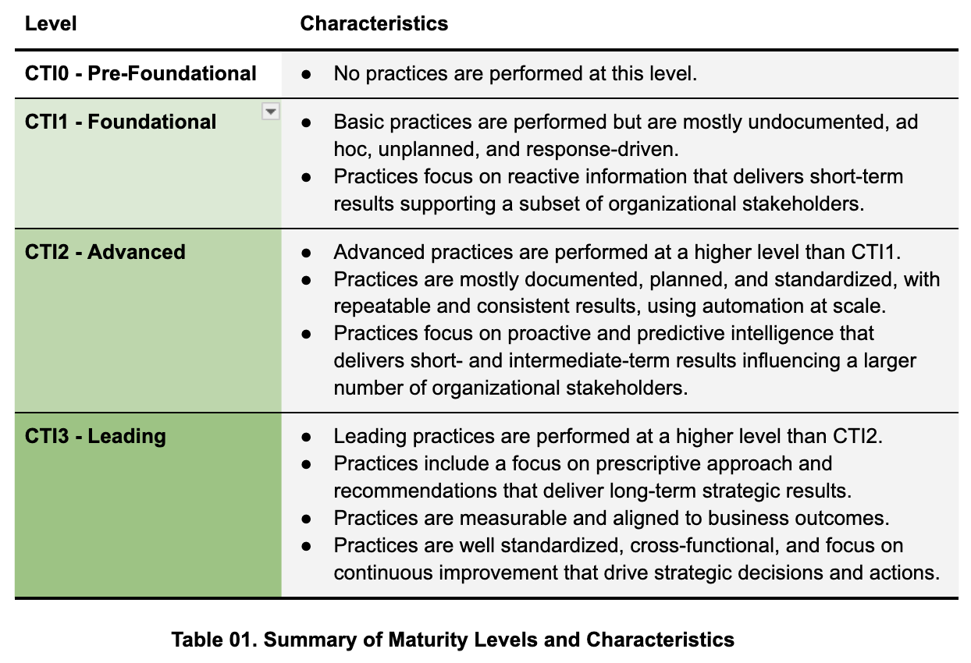 The CTI-CMM uses a maturity level structure similar to the C2M2. Individual practices are listed within each level based on their maturity level characteristics. This enables CTI programs to assess their maturity based on their ability to perform specific practices in a manner that is repeatable and consistent. For example, in this model all practices at the CTI1 Foundational level should be basic, ad hoc, and unplanned with a focus on short-term results. The following is a summary of maturity level characteristics. | 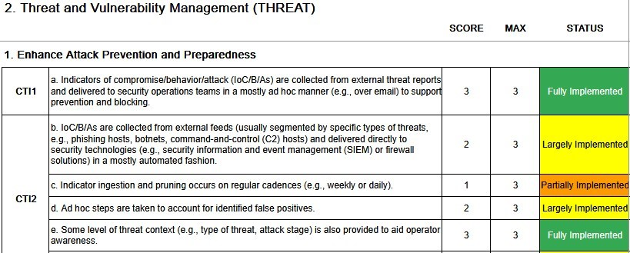 The CTI-CMM Beta assessment is evaluate maturity level across 230 statements. Users can expect a fulsome CTI program reflection and evaluation to take approximately two hours. The only required inputs for each CTI-CMM domain is the evaluation score per objective. However, to support CTI program management and speed up future CTI-CMM assessments, we have created optional fields titled "Evidence", "POC", and "Notes". • The “Evidence” field is designed for users to identify supporting documenation and where it lives inside an organization. • The “POC” field represents the person, department, or owners of the evidence. • The “Notes” field is a free-form capture to annotate the reasoning behind why you made the assessment you did. Ex) Why did you rate your program at a 2 instead of a 3? What are you lacking? The more detail you put into your assessment now, the easier it will be to establish clear action plans for improvement.

Dashboard
Cyber Threat Intelligence Capability Maturity Model (CTI-CMM)

Assessment Tool BETA (Version 1.2 April 2025)
Total Questions : 245
DOMAIN SUBTOTALS | NICKNAME | SCORE | MAX | % Cmpl* | Date Last Assessed* | Domain in Use?
1. Asset, Change, and Configuration Management | ASSET | 0 | 54 | 0.0% | 2025-04-14 | Yes
2. Threat and Vulnerability Management | THREAT | 0 | 96 | 0.0% | 2025-04-14 | Yes
3. Risk Management | RISK | 0 | 51 | 0.0% | 2025-04-14 | Yes
4. Identity and Access Management | ACCESS | 0 | 48 | 0.0% | 2025-04-14 | Yes
5. Situational Awareness | SITUATION | 0 | 39 | 0.0% | 2025-04-14 | Yes
6. Event and Incident Response, Continuity of Operations | RESPONSE | 0 | 78 | 0.0% | 2025-04-14 | Yes
7. Third-Party Risk Management | THIRD PARTY | 0 | 93 | 0.0% | 2025-04-14 | Yes
8. Fraud and Abuse Management | FRAUD | 0 | 81 | 0.0% | 2025-04-14 | Yes
9. Workforce Management | WORKFORCE | 0 | 69 | 0.0% | 2025-04-14 | Yes
10. Cybersecurity Architecture | ARCHITECTURE | 0 | 54 | 0.0% | 2025-04-14 | Yes
11. Cybersecurity Program Management | PROGRAM | 0 | 72 | 0.0% | 2025-04-14 | Yes

 | Total | 0 | 735 | 0.0%

Domain-Specific Maturity

Enterprise Maturity
0

Notes:

% Complete: 0-32.99% RED. 33-65.99% ORANGE. 66-100% GREEN.
Date Last Assessed: The cell will be ORANGE if 90 days before review is due (One year). Will be RED if one year past day of last review.
Domain in Use: Determined on Domain Page

 | Doughtnut Chart Bands |  | Doughnut Chart Scale |  | Pie Chart Needle
 | Bands | Value | Label | Value | Item | Value
 | Red | 245 | 10% | 73.5 | Actual | 0
 | Yellow | 245 | 20% | 73.5 | Needle | 10
 | Green | 245 | 30% | 73.5 | Balance | 1460
 | Omitted | 735 | 40% | 73.5 | Total | 1470
 | Total | 1470 | 50% | 73.5
 |  |  | 60% | 73.5
 |  |  | 70% | 73.5
 |  |  | 80% | 73.5
 |  |  | 90% | 73.5
 |  |  | 100% | 73.5
 |  |  | 0% | 735

